Navigate to General Settings
Navigate to the General Settings node within SPRO.
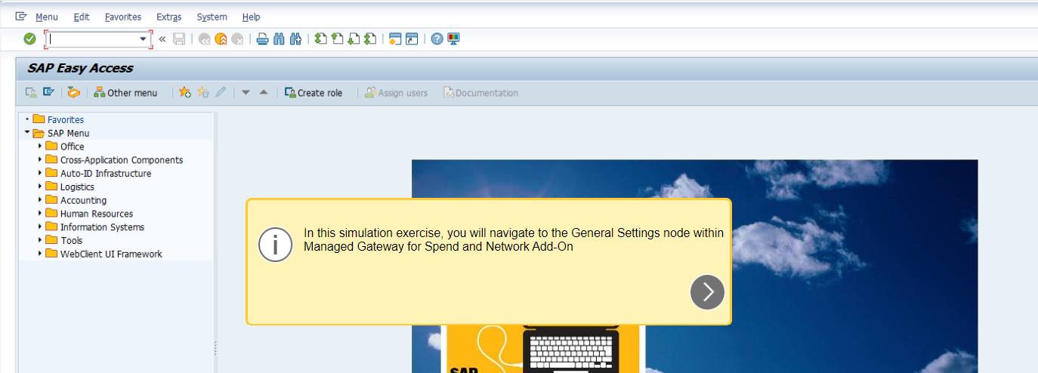

Enter SPRO
Choose SAP Reference IMG
Scroll down
Expand Integration with Other SAP Components
Exapand Managed Gateway for Spend & Network for Buyer

Expand the SAP Business Netowrk Integration

Setup the Interface Report
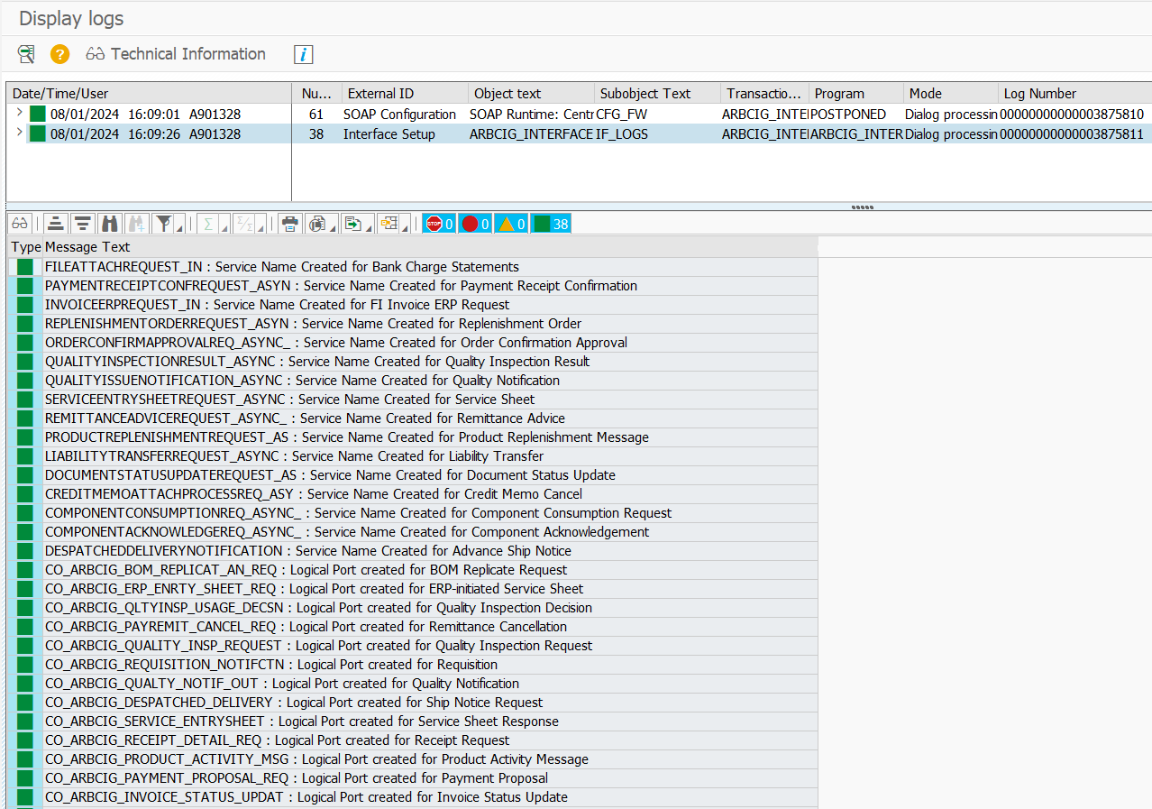
Executing the Set Up the Interface Report for SAP Business Network Integration

The Set Up the Interface program serves as a one-time procedure designed to establish endpoints for IDocs or Web Services. For IDocs, it specifically involves creating partner profiles for Partner Type LS (Logical System), while for Web Services, it enables the creation of SOAMANAGER connectivity in the background.​

Regarding IDocs, the Set Up the Interface program allows flexibility for multiple executions without overwriting the existing configuration for the same transaction. It's important to note, however, that when configuring outbound web services, the Logical Port setting is overwritten each time the interface settings are rerun. Consequently, settings for outbound web services consistently overwrite changes made to existing data when the same interface is executed again.​

For Web Service connectivity, users are required to provide additional details, including:

1. Selecting the subscribed data center.
2. Choosing between production or test instances.
3. Selecting the preferred authentication method.
4. Providing proxy configuration, if necessary.

These additional details apply to both Direct Connectivity and Mediated Connectivity, whether via SAP Integration Suite Private Tenant or methods other than SAP Process Integration (PI) or SAP NetWeaver Process Orchestration (PO).

Enter SPRO
Choose SAP Reference IMG
Scroll down
Expand Integration with Other SAP Components
Exapand Managed Gateway for Spend & Network for Buyer
Expand the SAP Business Netowrk Integration
Expand the General Settings
Expand the Set Up the Interface
Choose Configure the Connections to Send Messages

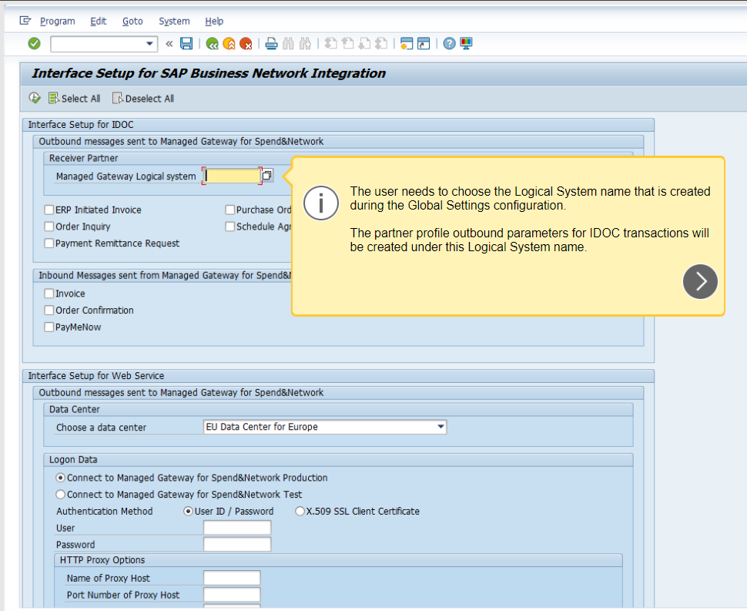

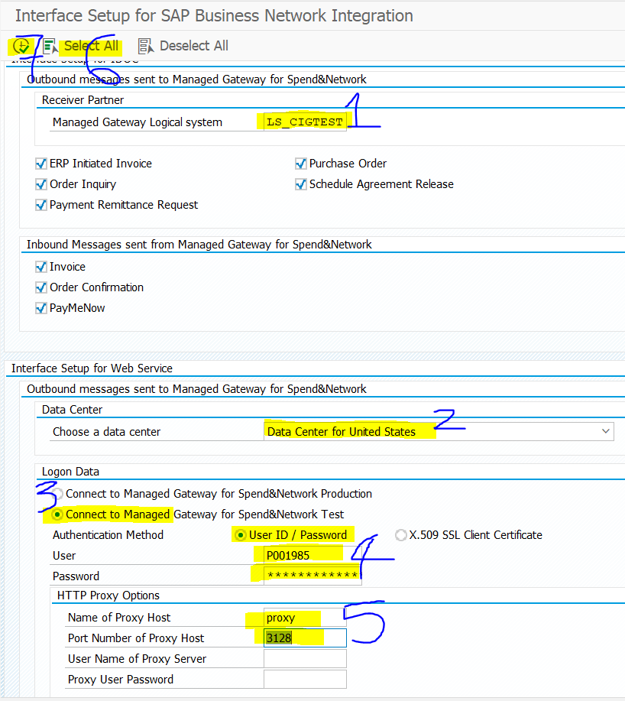

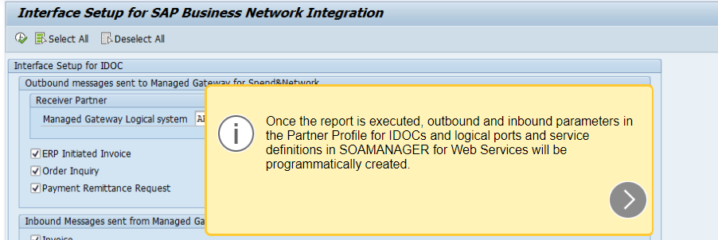

Warning: Consumer Proxy's logical port information will be overwritten
Just click enter and proceed - Note to refer 2902682

Partner Profiles for House Bank
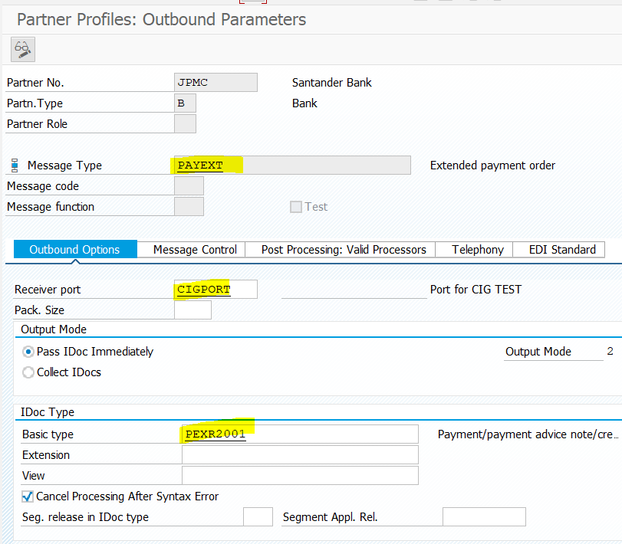
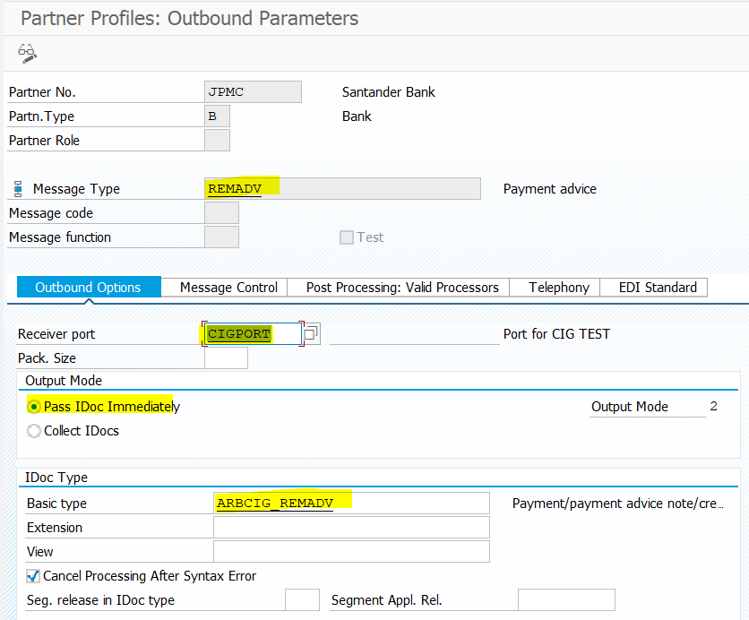
Creating Partner Profile for House Bank

Goto tcode FI12 to find the House Bank

 | Steve added the one marked in yellow in S4X | Goto tcode FI12_HBANK and enter entry if already not there but if it is there add the EDI partner Number Shamala added EDI partner number in S4D

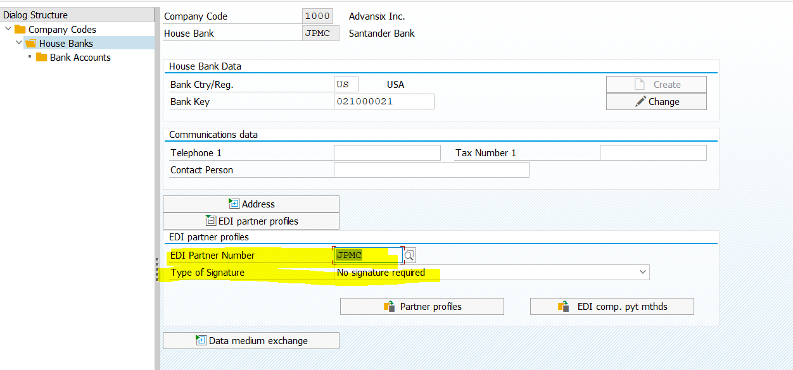

Once EDI Partner Number was added in the House Bank, partner profile can be created

Add the Outbound Parameters

Implement BAdI - Incomplete
Implementing BAdI to Set Up the Interface for SAP Business Network Integration
https://help.sap.com/doc/saphelp_snc700_ehp04/7.0.4/en-US/44/f518d884056c30e10000000a114a6b/frameset.htm

While configuring the interface, you have an option to implement a BAdI for parameter modification. This BAdI is universally applicable across all SAP Ariba solutions. The parameter IP_SOLUTION serves to identify the specific SAP Ariba solution you are targeting. Depending on your desired solution, select one of the available values in the IP_SOLUTION field:​

BUY for SAP Ariba Buying and Invoicing
SRC for SAP Ariba Sourcing and SAP Ariba Contracts
AN for SAP Business Network

Specifically for SAP Business Network, use the value "AN" in the "IP_SOLUTION" parameter.

To implement the BAdI, use the following steps:

1. Using the transaction code SPRO, navigate to Integration with Other SAP Components > Managed Gateway for Spend&Network for Buyer > SAP Business Network Integration > General Settings > Set Up the Interface.
2. Expand the node and select IMG-Activity for the BAdIs for Setting Up the Interface.
3. In the Create Enhancement Implementation pop-up, implement the BAdI, ARBCIG_AUTO_INTERFACE. Refer to the Implementation Method table.
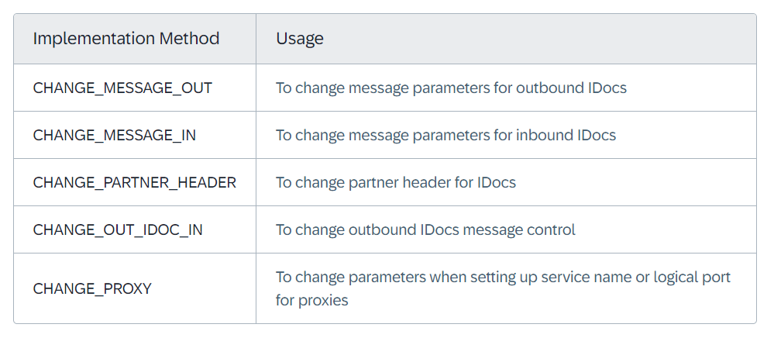

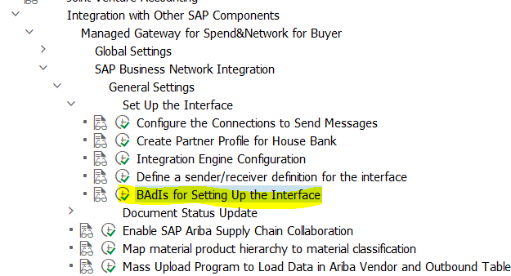

Choose the one marked in yellow above

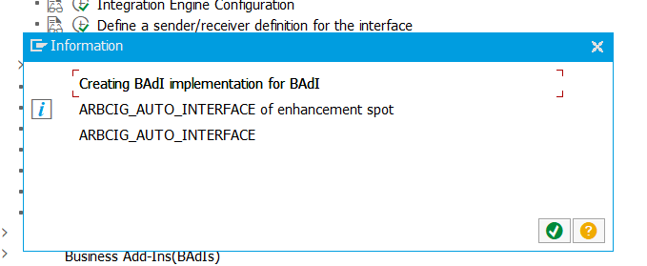

Click Execute

 | Package used is ARIBA_CIGCONG

